Quotation
 | System size = | 6000
 | Items |  | Total unit | UoM | Price per unit | BoM Cost | Margin | Basic Cost | GST % | Final Cost |  | Cost per panel | Difference
Adani | Panels TOPCon DCR | 615 | 11 | nos | 26 | 175890.0 | 35178.0 | 211068.0 | 5% | 221621 | 58% | 20147 | 7523
Renesys | Panels TOPCon non-DCR | 615 | 11 | nos | 17 | 115005.0 | 17250.8 | 132255.8 | 5% | 138869 | 47% | 12624
Deye | Inverter (On-Grid) | 12kW (3 ph) | 1 | nos | 43492 | 43492.0 | 8698.4 | 52190.4 | 5% | 54800 | 14%
 | DCDB |  | 1 | nos | 4950 | 4950.0 | 990.0 | 5940.0 | 18% | 7009 | 2%
 | ACDB |  | 1 | nos | 4250 | 4250.0 | 850.0 | 5100.0 | 18% | 6018 | 2%
 | Mounting structure |  | LS | LS | 4000 | 24000.0 | 4800.0 | 28800.0 | 18% | 33984 | 9%
 | Earthing rod | 2m, dia? | 3 | nos | 3500 | 3500.0 | 700.0 | 4200.0 | 18% | 4956 | 1%
 | Lightning arrestor | 1m, dia? | 1 | nos |  | 0.0 | 0.0 | 0.0 | 18% | 0 | 0%
 | MC4 connectors |  | 12 | nos | 42 | 504.0 | 100.8 | 604.8 | 18% | 714 | 0%
 | Pins & other accessories |  | LS | LS |  | 4000.0 | 1000.0 | 5000.0 | 18% | 5900 | 2%
 | Design / Installation / Logistics |  | LS | LS | 3000 | 18000.0 | 4500.0 | 22500.0 | 18% | 26550 | 7%
360watts | IoT hub for energy automation |  | 1 | nos | 5000 | 5000 | 5000 | 10000 | 18% | 11800 | 3%
 | Wiring |  |  |  | 5000 | 5000 | 1000 | 6000 | 18% | 7080 | 2%
 |  |  |  |  |  |  |  |  |  | 380432 | 63.405364 / kW)
 | Subsidy PM Surya Ghar |  | 6 |  | 30000 | 288586.0 | 62817 |  | 20.77% | 302432 | 50.405364 / kW) |  | DCR
 |  |  |  |  |  | 227701.0 | 43890 |  | 14.74% | 297679 | 49.61322025 / kW) |  | non-DCR | Rs. 44652
 | ADDITIONAL COST: |  | meter | cost | wiring total cost |  |  |  |  | 4753 | Difference
 | DC cable (Panels to DCDB/Inverter) | 6 sq. mm
 | AC cable (Inverter to ACDB) | 6 sq. mm 4-core
 | AC cable | 4 sq mm |  | ~60/m
 | Earthing cable | DC (6 sq. mm) |  | ~66/m
 |  | DC (10 sq. mm) |  | ~139/m
 |  | AC (6 sq. mm) |  | ~100/m
 |  | AC (10 sq. mm) |  | ~150/m
 | TOTAL

 | QUOTATION

 | 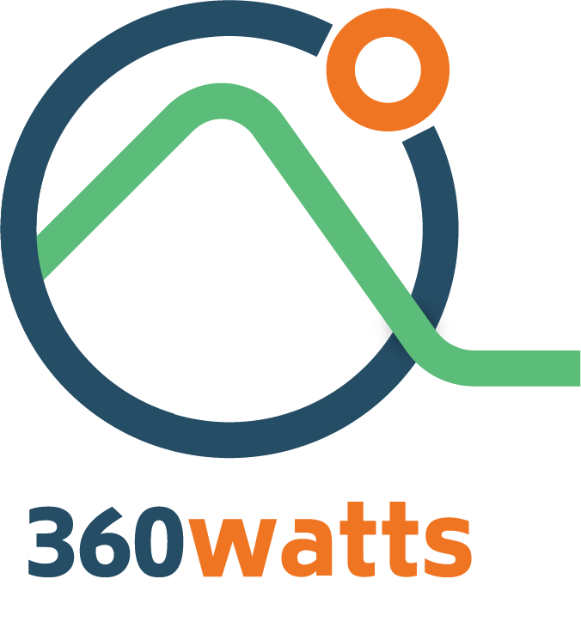 | MATTERLESS TECHNOLOGIES OPC PRIVATE LIMITED FORGE FACTORY, KCT TECHPARK, 03 ATHIPALAYAM ROAD, COIMBATORE - 641049 GST: 33AATCM6353J1ZZ PH: 9087610051

 |  |  |  |  |  |  | 2456.779661

 | To |  |  |  | 14.03.2026
 | Shakthi Electricals
 | Avinashi

 | Items | Details | Basic Cost | GST % | Final Cost
 | Panels (Adani TOPCon / 9 panels) | 615Wp | 142065 | 5% | 149168.25
 | Inverter (1-ph On-Grid) | 5kW (1P) | 32830 | 5% | 34471.5
 | DCDB | 1 nos | 5750 | 18% | 6785
 | ACDB | 1 nos | 12650 | 18% | 14927
 | Mounting structure (GI) | LS | 29610 | 18% | 34939.8
 | Earthing rod | 3 nos | 2760 | 18% | 3256.8
 | Lightning arrestor | 1 nos | 1610 | 18% | 1899.8
 | MC4 connectors | 6 nos | 345 | 18% | 407.1
 | Pins & other accessories | LS | 2817.5 | 18% | 3324.65
 | Design & Installation |  | 30000 | 18% | 35400
 |  |  | TOTAL PRICE (incl. GST) |  | 284580

 | ADDITIONAL COST (to be assessed after site visit) :
 | DC cable
 | Earthing cable
 | 4sq mm AC cable

 | CUSTOMER SCOPE:
 | Electrical works
 | Civil works
 | TANGEDCO fee

 | QUOTATION |  |  |  |  |  |  |  |  |  |  |  | QUOTATION |  |  |  |  | QUOTATION

 |  | MATTERLESS TECHNOLOGIES OPC PRIVATE LIMITED FORGE FACTORY, KCT TECHPARK, 03 ATHIPALAYAM ROAD, COIMBATORE - 641049 GST: 33AATCM6353J1ZZ Ph: 9087610051 |  |  |  |  |  |  |  |  |  |  |  | MATTERLESS TECHNOLOGIES OPC PRIVATE LIMITED FORGE FACTORY, KCT TECHPARK, 03 ATHIPALAYAM ROAD, COIMBATORE - 641049 GST: 33AATCM6353J1ZZ Ph: 9087610051 |  |  |  |  | MATTERLESS TECHNOLOGIES OPC PRIVATE LIMITED FORGE FACTORY, KCT TECHPARK, 03 ATHIPALAYAM ROAD, COIMBATORE - 641049 GST: 33AATCM6353J1ZZ Ph: 9087610051

 | To |  |  |  | 14.03.2026 |  |  |  |  |  |  |  | To |  |  |  | 23.03.2026 | To |  |  |  | 23.03.2026
 | Shakthi Electricals |  |  |  |  |  |  |  |  |  |  |  | Shakthi Electricals |  |  |  |  | Shakthi Electricals
 | Avinashi |  |  |  |  |  |  |  |  |  |  |  | Avinashi |  |  |  |  | Avinashi

 | Items | Details | Basic Cost | GST % | Final Cost |  |  |  |  |  |  |  | Items | Details | Basic Cost | GST % | Final Cost | Items | Details | Basic Cost | GST % | Final Cost
 | Panels (TOPCon / 16 panels) | 615Wp | 227304 | 5% | 238669.2 |  |  |  |  |  |  |  | Panels (TOPCon / 3 panels) | 615Wp | 45461 | 5% | 47734 | Panels (TOPCon / 4 panels) | 615Wp | 56826 | 5% | 59667
 | Inverter (3-ph On-Grid) | 10kW | 63393.4 | 5% | 66563.1 |  |  |  |  |  |  |  | Inverter (On-Grid) | 2kW | 12679 | 5% | 13313 | Inverter (On-Grid) | 2kW | 12678.68 | 5% | 13313
 | DCDB | 1 nos | 10075 | 18% | 11888.5 |  |  |  |  |  |  |  | DCDB | 1 nos | 2015 | 18% | 2378 | DCDB | 1 nos | 2015 | 18% | 2378
 | ACDB | 1 nos | 5525 | 18% | 6519.5 |  |  |  |  |  |  |  | ACDB | 1 nos | 1105 | 18% | 1304 | ACDB | 1 nos | 1105 | 18% | 1304
 | Mounting structure (GI) | LS | 105000 | 18% | 123900 |  |  |  |  |  |  |  | Mounting structure (GI) | LS | 18472 | 18% | 21797 | Mounting structure (GI) | LS | 21000 | 18% | 24780
 | Earthing rod | 7 nos | 6720 | 18% | 7929.6 |  |  |  |  |  |  |  | Earthing rod | 2 nos | 1344 | 18% | 1586 | Earthing rod | 2 nos | 1344 | 18% | 1586
 | Lightning arrestor | 3 nos | 5880 | 18% | 6938.4 |  |  |  |  |  |  |  | Lightning arrestor | 1 nos | 1176 | 18% | 1388 | Lightning arrestor | 1 nos | 1176 | 18% | 1388
 | MC4 connectors | 14 nos | 900 | 18% | 1062 |  |  |  |  |  |  |  | MC4 connectors | 3 nos | 180 | 18% | 212 | MC4 connectors | 4 nos | 180 | 18% | 212
 | Pins & other accessories | LS | 8400 | 18% | 9912 |  |  |  |  |  |  |  | Pins & other accessories | LS | 1680 | 18% | 1982 | Pins & other accessories | LS | 1680 | 18% | 1982
 | Design & Installation | LS | 65000 | 18% | 76700 |  |  |  |  |  |  |  | Design & Installation | LS | 13000 | 18% | 15340 | Design & Installation | LS | 13000 | 18% | 15340
 | TOTAL PRICE (incl. GST) |  |  |  | 550082 |  |  |  |  |  |  |  | TOTAL PRICE (incl. GST) |  |  |  | 107033 | TOTAL PRICE (incl. GST) |  |  |  | 121950

 | ADDITIONAL COST (to be assessed after site visit) : |  |  |  |  |  |  |  |  |  |  |  | ADDITIONAL COST (to be assessed after site visit) : |  |  |  |  | ADDITIONAL COST (to be assessed after site visit) :
 | DC cable |  |  |  |  |  |  |  |  |  |  |  | DC cable |  |  |  |  | DC cable
 | Earthing cable |  |  |  |  |  |  |  |  |  |  |  | Earthing cable |  |  |  |  | Earthing cable
 | 4sq mm AC cable |  |  |  |  |  |  |  |  |  |  |  | 4sq mm AC cable |  |  |  |  | 4sq mm AC cable

 | CUSTOMER SCOPE: |  |  |  |  |  |  |  |  |  |  |  | CUSTOMER SCOPE: |  |  |  |  | CUSTOMER SCOPE:
 | Electrical works |  |  |  |  |  |  |  |  |  |  |  | Electrical works |  |  |  |  | Electrical works
 | Civil works |  |  |  |  |  |  |  |  |  |  |  | Civil works |  |  |  |  | Civil works
 | TANGEDCO fee |  |  |  |  |  |  |  |  |  |  |  | TANGEDCO fee |  |  |  |  | TANGEDCO fee

 | QUOTATION

 |  | MATTERLESS TECHNOLOGIES OPC PRIVATE LIMITED FORGE FACTORY, KCT TECHPARK, 03 ATHIPALAYAM ROAD, COIMBATORE - 641049 GST: 33AATCM6353J1ZZ Ph: 9087610051

 | To |  |  |  | 08.04.2026

 | Avinashi

 | Items | Details | Basic Cost | GST % | Final Cost
 | Panels (Warree TOPCon) | 700 | 196000.0 | 5% | 205800 | 16 panels
 | Panels (Adani TOPCon) | 625 | 202500.0 | 5% | 212625 | 18 panels
 | Inverter (Deye 1-ph On-Grid) | 10kW (1 ph) | 45281.0 | 5% | 47545
 | DCDB | 1 nos | 7750.0 | 18% | 9145
 | ACDB | 1 nos | 4250.0 | 18% | 5015
 | Earthing rod | 3 nos | 2457.0 | 18% | 2899
 | Lightning arrestor | 1 nos |  | 18%
 | MC4 connectors | 15 nos | 630.0 |  | 743
 | Mounting structure | LS |  | 18% | 60k+
 | Pins & other accessories | LS
 | Design / Installation / Logistics
 | TOTAL PRICE (incl. GST) |  |  |  | 271148

 | ADDITIONAL COST (to be assessed after site visit) :
 | DC cable (Panels to DCDB/Inverter) | 6 sq. mm
 | AC cable (Inverter to ACDB) | 6 sq. mm 4-core
 | AC cable | 4 sq mm
 | Earthing cable | DC (6 sq. mm) | ~66/m
 |  | DC (10 sq. mm) | ~139/m
 |  | AC (6 sq. mm) | ~100/m
 |  | AC (10 sq. mm) | ~150/m

 | CUSTOMER SCOPE:
 | Electrical works
 | Civil works
 | TANGEDCO fee

